Medbourne Overview
Medbourne Speed Surveys 2019

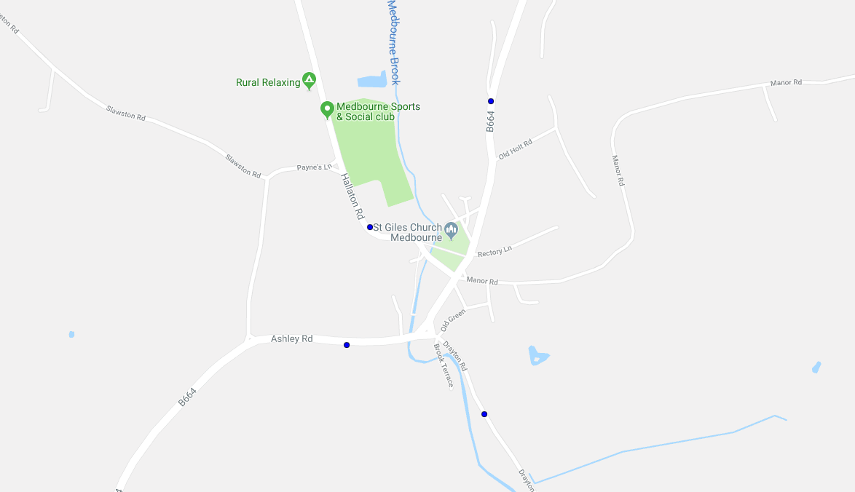
Overview of sites
 | Speed headline figures (5 Day Average)
 | Site number | Combined | Northbound | Southbound
 | 8028273 (A) | 24.5 | 22.8 | 23.2

A
 | Site number | Combined | Northbound | Southbound
 | 8028275 (B) | 23.3 | 21.1 | 23.1

 | Site number | Combined | Westbound | Eastbound
 | 8028276 (C) | 32.9 | 31 | 31.4

D
 | Site number | Combined | Northbound | Southbound
 | 8028277 (D) | 26.7 | 25.7 | 24

C

B

Combined 5 day Averages
Site A |  |  |  | Site B
8028273 Uppingham Road, Medbourne- Combined Directions |  |  |  | 8028275 Drayton Road, Medbourne- Combined Directions
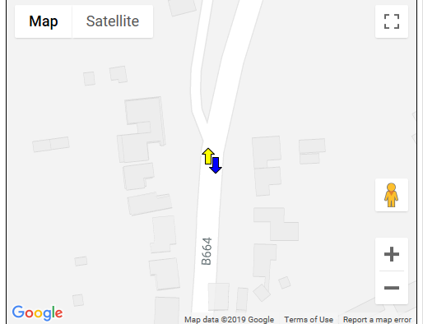
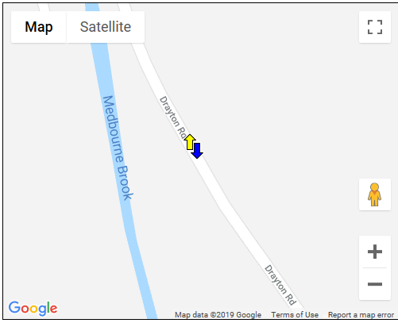

Time | Average 5 day Volume | Average Speed 85th % |  | Time | Average 5 day Volume | Average Speed 85th %
07:00:00 | 23 | 29 |  | 07:00:00 | 98 | 27
08:00:00 | 44 | 27.6 |  | 08:00:00 | 169 | 25.4
09:00:00 | 35 | 27.2 |  | 09:00:00 | 129 | 25.1
10:00:00 | 27 | 27.6 |  | 10:00:00 | 114 | 23.2
11:00:00 | 30 | 26.5 |  | 11:00:00 | 105 | 23.5
12:00:00 | 29 | 27.6 |  | 12:00:00 | 112 | 23.2
13:00:00 | 31 | 27.6 |  | 13:00:00 | 108 | 24.8
14:00:00 | 31 | 27.6 |  | 14:00:00 | 110 | 24.6
15:00:00 | 41 | 28 |  | 15:00:00 | 172 | 25.7
16:00:00 | 35 | 28 |  | 16:00:00 | 152 | 25.5
17:00:00 | 39 | 28.5 |  | 17:00:00 | 162 | 26.5
18:00:00 | 25 | 29.2 |  | 18:00:00 | 128 | 26.7
Total | 390 | 12hr 85% | 24.5 | Total | 1559 | 12hr 85% | 23.3

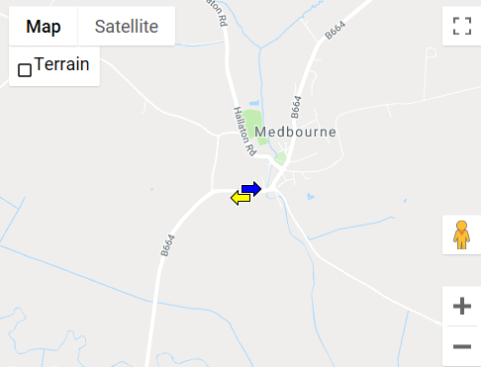
Site C |  |  |  | Site D
8028276 Ashly Road, Medbourne- Combined Directions |  |  |  | 8028277 Hallaton Road, Medbourne- Combined Directions
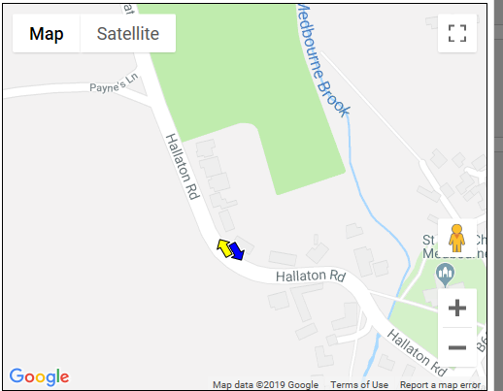

Time | Average 5 day Volume | Average Speed 85th % |  | Time | Average Weekly Volume | Average Speed 85th %
07:00:00 | 198 | 37 |  | 07:00:00 | 71 | 33.4
08:00:00 | 339 | 35.6 |  | 08:00:00 | 78 | 32
09:00:00 | 256 | 35.1 |  | 09:00:00 | 98 | 30.7
10:00:00 | 205 | 33.5 |  | 10:00:00 | 90 | 30.1
11:00:00 | 220 | 33.6 |  | 11:00:00 | 76 | 28.8
12:00:00 | 260 | 33.6 |  | 12:00:00 | 86 | 28.1
13:00:00 | 238 | 34.5 |  | 13:00:00 | 84 | 29.1
14:00:00 | 238 | 34.2 |  | 14:00:00 | 91 | 27.6
15:00:00 | 287 | 34.7 |  | 15:00:00 | 88 | 30.1
16:00:00 | 270 | 35.4 |  | 16:00:00 | 88 | 31.4
17:00:00 | 310 | 34.7 |  | 17:00:00 | 80 | 31.7
18:00:00 | 249 | 35.3 |  | 18:00:00 | 58 | 31.9
Total | 3070 | 12hr 85% | 32.9 | Total | 988 | 12hr 85% | 26.7

